Feuil1
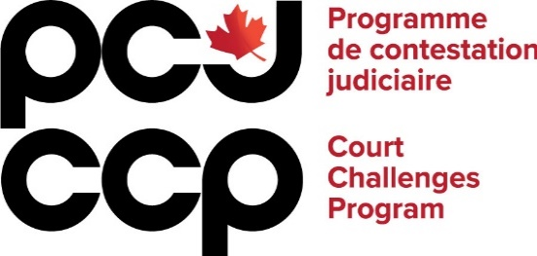
INVOICE FORM

LITIGATION AND LEGAL INTERVENTIONS

File number:
Name of recipient:
Funding area:
Funding amount granted by the CCP:

Categories of eligible expenses | Rate per hour (max. $250) | Hours | Expenses (before tax) | Tax
1 - Legal fees
2 - External fees
3 - Disbursements
4 - Administrative fees
Total |  | 0 | - $ | - $
Total amount requested from the CCP | - $

Please note: The CCP has set the maximum billable amount for which the recipient may apply for reimbursement at $250 an hour before tax. The CCP does not pay for lawyers’ or consultants’ travel time. The CCP may pay for the time of recipients or employees of recipients, if the recipient can demonstrate that the funds are essential to the activity for which they have been approved for funding.

Legal fees include but are not limited to: legal research; preparation of evidence; communications with the client, other parties or the CCP; communications with outside consultant/expert; preparation of documents to be filed in court; preparation for court appearances; litigation fees, such as court appearances at trial or hearings; preparation of court orders. External fees include but are not limited to: external consultant fees (external legal counsel, strategist, communication, etc.); expert witnesses and expert reports. Disbursements include but are not limited to: disbursement prescribed by law or regulations; transcription expenses; costs of serving documents; interpretation and translation; photocopies, mail, courier, telephone calls. Administrative fees include but are not limited to: lawyer or client travel expenses; lawyer or client accommodation expenses; witness expenses.

